new_process_controls
segment | start | target | spacer | strand | antitag | GC_content | A_content | has_crRNA_hairpin | crRNA_spacer_basepairs | gRNA_MFE | specificity | match_against_hg38 | match_against_bosTau9 | label | exon_only | dbSNP153 | guide_id | bed_chrEnd | bed_chrStart | crRNA_seq
hg38_knownGene_ENST00000675515.1 | 35222 | TGCTATCCAGGCTGTGCTAT | AUAGCACAGCCUGGAUAGCA | + | CCCU | 0.5 | 0.35 | TRUE | 0 | -6.1 | 1 | 0 | 0 | exon4 | TRUE | 0 | actb_35222 | 5528681 | 5528662 | uagaccaccccaaaaaugaaggggacuaaaacAUAGCACAGCCUGGAUAGCA
hg38_knownGene_ENST00000675515.1 | 35494 | AAGAGATGGCCACGGCTGCT | AGCAGCCGUGGCCAUCUCUU | + | UCCA | 0.6 | 0.15 | TRUE | 0 | -6.1 | 1 | 0 | 0 | exon4 | TRUE | 0 | actb_35494 | 5528409 | 5528390 | uagaccaccccaaaaaugaaggggacuaaaacAGCAGCCGUGGCCAUCUCUU
hg38_knownGene_ENST00000675515.1 | 36374 | TGATTGCACATTGTTGTTTT | AAAACAACAAUGUGCAAUCA | + | UUUA | 0.3 | 0.55 | TRUE | 0 | -6.1 | 1 | 0 | 0 | exon6 | TRUE | 0 | actb_36374 | 5527529 | 5527510 | uagaccaccccaaaaaugaaggggacuaaaacAAAACAACAAUGUGCAAUCA
hg38_knownGene_ENST00000675515.1 | 36375 | GATTGCACATTGTTGTTTTT | AAAAACAACAAUGUGCAAUC | + | UUAA | 0.3 | 0.55 | TRUE | 0 | -6.1 | 1 | 0 | 0 | exon6 | TRUE | 0 | actb_36375 | 5527528 | 5527509 | uagaccaccccaaaaaugaaggggacuaaaacAAAAACAACAAUGUGCAAUC
hg38_knownGene_ENST00000675515.1 | 36376 | ATTGCACATTGTTGTTTTTT | AAAAAACAACAAUGUGCAAU | + | UAAU | 0.25 | 0.6 | TRUE | 0 | -6.1 | 1 | 0 | 2 | exon6 | TRUE | 0 | actb_36376 | 5527527 | 5527508 | uagaccaccccaaaaaugaaggggacuaaaacAAAAAACAACAAUGUGCAAU
hg38_knownGene_ENST00000675515.1 | 36378 | TGCACATTGTTGTTTTTTTA | UAAAAAAACAACAAUGUGCA | + | AUAG | 0.25 | 0.6 | TRUE | 0 | -6.1 | 1 | 0 | 3 | exon6 | TRUE | 0 | actb_36378 | 5527525 | 5527506 | uagaccaccccaaaaaugaaggggacuaaaacUAAAAAAACAACAAUGUGCA
hg38_knownGene_ENST00000675515.1 | 36379 | GCACATTGTTGTTTTTTTAA | UUAAAAAAACAACAAUGUGC | + | UAGU | 0.25 | 0.55 | TRUE | 0 | -6.1 | 1 | 0 | 21 | exon6 | TRUE | 0 | actb_36379 | 5527524 | 5527505 | uagaccaccccaaaaaugaaggggacuaaaacUUAAAAAAACAACAAUGUGC
hg38_knownGene_ENST00000675515.1 | 36386 | GTTGTTTTTTTAATAGTCAT | AUGACUAUUAAAAAAACAAC | + | UCCA | 0.2 | 0.6 | TRUE | 0 | -6.1 | 1 | 0 | 4 | exon6 | TRUE | 0 | actb_36386 | 5527517 | 5527498 | uagaccaccccaaaaaugaaggggacuaaaacAUGACUAUUAAAAAAACAAC
hg38_knownGene_ENST00000401707.7 | 6108 | TCTGTCCTCTGGCTTTGTGG | CCACAAAGCCAGAGGACAGA | + | CUGA | 0.55 | 0.45 | TRUE | 0 | -6.1 | 1 | 0 | 2 | exon2 | TRUE | 0 | pop1_6108 | 98123419 | 98123400 | uagaccaccccaaaaaugaaggggacuaaaacCCACAAAGCCAGAGGACAGA
hg38_knownGene_ENST00000401707.7 | 6122 | TTGTGGCTGACAGAGGTGTA | UACACCUCUGUCAGCCACAA | + | AAGC | 0.5 | 0.3 | TRUE | 0 | -6.1 | 1 | 0 | 2 | exon2 | TRUE | 0 | pop1_6122 | 98123433 | 98123414 | uagaccaccccaaaaaugaaggggacuaaaacUACACCUCUGUCAGCCACAA
hg38_knownGene_ENST00000401707.7 | 6166 | CCTTTCCAAGCTCAAAAACA | UGUUUUUGAGCUUGGAAAGG | + | AGGU | 0.4 | 0.2 | TRUE | 0 | -6.1 | 1 | 0 | 1 | exon2 | TRUE | 0 | pop1_6166 | 98123477 | 98123458 | uagaccaccccaaaaaugaaggggacuaaaacUGUUUUUGAGCUUGGAAAGG
hg38_knownGene_ENST00000401707.7 | 10365 | CCTGAAGTGAATGAGCAGTC | GACUGCUCAUUCACUUCAGG | + | UUCC | 0.5 | 0.2 | TRUE | 0 | -6.1 | 1 | 0 | 0 | exon3 | TRUE | 0 | pop1_10365 | 98127676 | 98127657 | uagaccaccccaaaaaugaaggggacuaaaacGACUGCUCAUUCACUUCAGG
hg38_knownGene_ENST00000401707.7 | 10412 | GGGAGGATGGAAAGCAGGTC | GACCUGCUUUCCAUCCUCCC | + | CCGA | 0.6 | 0.1 | TRUE | 0 | -6.1 | 1 | 0 | 9 | exon3 | TRUE | 0 | pop1_10412 | 98127723 | 98127704 | uagaccaccccaaaaaugaaggggacuaaaacGACCUGCUUUCCAUCCUCCC
hg38_knownGene_ENST00000401707.7 | 11102 | GAAATCAGTGCTATGTTAAA | UUUAACAUAGCACUGAUUUC | + | AGCU | 0.3 | 0.3 | TRUE | 0 | -6.1 | 1 | 0 | 2 | exon4 | TRUE | 0 | pop1_11102 | 98128413 | 98128394 | uagaccaccccaaaaaugaaggggacuaaaacUUUAACAUAGCACUGAUUUC
hg38_knownGene_ENST00000401707.7 | 11136 | AGTCTTCGAATTCACTGGTT | AACCAGUGAAUUCGAAGACU | + | UUUC | 0.4 | 0.4 | TRUE | 0 | -6.1 | 1 | 0 | 0 | exon4 | TRUE | 0 | pop1_11136 | 98128447 | 98128428 | uagaccaccccaaaaaugaaggggacuaaaacAACCAGUGAAUUCGAAGACU
hg38_knownGene_ENST00000401707.7 | 12689 | GAGAAAGCCGTACATCAGAA | UUCUGAUGUACGGCUUUCUC | + | AAAA | 0.45 | 0.1 | TRUE | 0 | -6.1 | 1 | 0 | 6 | exon5 | TRUE | 0 | pop1_12689 | 98130000 | 98129981 | uagaccaccccaaaaaugaaggggacuaaaacUUCUGAUGUACGGCUUUCUC

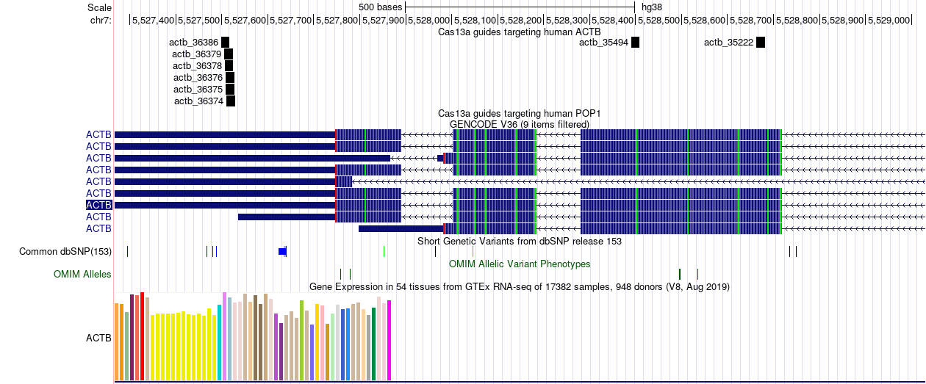

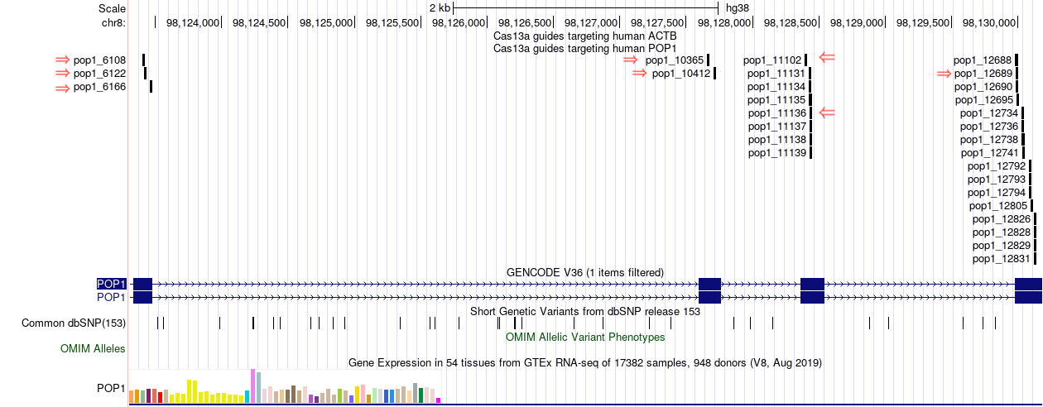

https://genome.ucsc.edu/s/amandamok/NCR%3A%20Process%20Control%20Guides

round 2 of POP1 guides
segment | start | target | spacer | strand | antitag | GC_content | A_content | has_crRNA_hairpin | crRNA_spacer_basepairs | gRNA_MFE | specificity | match_against_hg38 | match_against_bosTau9 | label | exon_only | dbSNP153 | guide_id | bed_chrStart | bed_chrEnd
hg38_knownGene_ENST00000401707.7 | 11131 | CCAGAAGTCTTCGAATTCAC | GUGAAUUCGAAGACUUCUGG | + | UGGU | 0.45 | 0.25 | TRUE | 0 | -6.1 | 1 | 0 | 0 | exon4 | TRUE | 0 | pop1_11131 | 98128423 | 98128442 | uagaccaccccaaaaaugaaggggacuaaaacGUGAAUUCGAAGACUUCUGG
hg38_knownGene_ENST00000401707.7 | 11139 | CTTCGAATTCACTGGTTTTT | AAAAACCAGUGAAUUCGAAG | + | CAGA | 0.35 | 0.5 | TRUE | 0 | -6.1 | 1 | 0 | 0 | exon4 | TRUE | 0 | pop1_11139 | 98128431 | 98128450 | uagaccaccccaaaaaugaaggggacuaaaacAAAAACCAGUGAAUUCGAAG
hg38_knownGene_ENST00000401707.7 | 12695 | GCCGTACATCAGAAAAAAGA | UCUUUUUUCUGAUGUACGGC | + | ACAU | 0.4 | 0.1 | TRUE | 0 | -6.1 | 1 | 0 | 2 | exon5 | TRUE | 0 | pop1_12695 | 98129987 | 98130006 | uagaccaccccaaaaaugaaggggacuaaaacUCUUUUUUCUGAUGUACGGC
hg38_knownGene_ENST00000401707.7 | 12734 | CATAAAGCTCGAAGATGTCA | UGACAUCUUCGAGCUUUAUG | + | CAUG | 0.4 | 0.2 | TRUE | 0 | -6.1 | 1 | 0 | 2 | exon5 | TRUE | 0 | pop1_12734 | 98130026 | 98130045 | uagaccaccccaaaaaugaaggggacuaaaacUGACAUCUUCGAGCUUUAUG
hg38_knownGene_ENST00000401707.7 | 12792 | AGAACATTTGGTTAGAAACT | AGUUUCUAACCAAAUGUUCU | + | CACA | 0.3 | 0.3 | TRUE | 0 | -6.1 | 1 | 0 | 18 | exon5 | TRUE | 0 | pop1_12792 | 98130084 | 98130103 | uagaccaccccaaaaaugaaggggacuaaaacAGUUUCUAACCAAAUGUUCU
hg38_knownGene_ENST00000401707.7 | 12826 | CAAGCGGTTTCATATGGTCA | UGACCAUAUGAAACCGCUUG | + | AGAA | 0.45 | 0.3 | TRUE | 0 | -6.1 | 1 | 0 | 2 | exon5 | TRUE | 0 | pop1_12826 | 98130118 | 98130137 | uagaccaccccaaaaaugaaggggacuaaaacUGACCAUAUGAAACCGCUUG
hg38_knownGene_ENST00000401707.7 | 16657 | GATTTATCCTATTACTGTTG | CAACAGUAAUAGGAUAAAUC | + | UUUG | 0.3 | 0.5 | TRUE | 0 | -6.1 | 1 | 0 | 2 | exon6 | TRUE | 0 | pop1_16657 | 98133949 | 98133968 | uagaccaccccaaaaaugaaggggacuaaaacCAACAGUAAUAGGAUAAAUC
hg38_knownGene_ENST00000401707.7 | 16709 | TAAAGGCGCTTTCTGGAATG | CAUUCCAGAAAGCGCCUUUA | + | UGUA | 0.45 | 0.3 | TRUE | 0 | -6.1 | 1 | 0 | 0 | exon6 | TRUE | 0 | pop1_16709 | 98134001 | 98134020 | uagaccaccccaaaaaugaaggggacuaaaacCAUUCCAGAAAGCGCCUUUA

round 2 of ACTB guides: overlap with qRT-PCR amplicon |  |  |  | https://bmcimmunol.biomedcentral.com/track/pdf/10.1186/s12865-020-0334-8.pdf
fw primer: | ACAGAGCCTCGCCTTTG |  |  | amplicon: | chr17 | 5529603 | 5530572
rev primer: | CCTTGCACATGCCGGAG
segment | start | target | spacer | strand | antitag | GC_content | A_content | has_crRNA_hairpin | crRNA_spacer_basepairs | gRNA_MFE | specificity | match_against_hg38 | match_against_bosTau9 | label | exon_only | dbSNP153 | guide_id | bed_chrEnd | bed_chrStart |  | notes
hg38_knownGene_ENST00000675515.1 | 34248 | GGATGATGATATCGCCGCGC | GCGCGGCGAUAUCAUCAUCC | + | UCGU | 0.6 | 0.2 | FALSE | 5 | -7.6 | 1 | 11 | 1 | exon2 | TRUE | 0 | actb_34248 | 5529655 | 5529636 | uagaccaccccaaaaaugaaggggacuaaaacGCGCGGCGAUAUCAUCAUCC
hg38_knownGene_ENST00000675515.1 | 34249 | GATGATGATATCGCCGCGCT | AGCGCGGCGAUAUCAUCAUC | + | CGUC | 0.55 | 0.25 | TRUE | 0 | -6.1 | 1 | 11 | 1 | exon2 | TRUE | 0 | actb_34249 | 5529654 | 5529635 | uagaccaccccaaaaaugaaggggacuaaaacAGCGCGGCGAUAUCAUCAUC
hg38_knownGene_ENST00000675515.1 | 34251 | TGATGATATCGCCGCGCTCG | CGAGCGCGGCGAUAUCAUCA | + | UCGU | 0.6 | 0.25 | FALSE | 5 | -8.6 | 1 | 11 | 1 | exon2 | TRUE | 0 | actb_34251 | 5529652 | 5529633 | uagaccaccccaaaaaugaaggggacuaaaacCGAGCGCGGCGAUAUCAUCA
hg38_knownGene_ENST00000675515.1 | 34252 | GATGATATCGCCGCGCTCGT | ACGAGCGCGGCGAUAUCAUC | + | CGUC | 0.6 | 0.25 | TRUE | 0 | -6.1 | 1 | 11 | 1 | exon2 | TRUE | 0 | actb_34252 | 5529651 | 5529632 | uagaccaccccaaaaaugaaggggacuaaaacACGAGCGCGGCGAUAUCAUC
hg38_knownGene_ENST00000675515.1 | 34254 | TGATATCGCCGCGCTCGTCG | CGACGAGCGCGGCGAUAUCA | + | UCGA | 0.65 | 0.25 | FALSE | 7 | -8.4 | 1 | 0 | 0 | exon2 | TRUE | 0 | actb_34254 | 5529649 | 5529630 | uagaccaccccaaaaaugaaggggacuaaaacCGACGAGCGCGGCGAUAUCA
hg38_knownGene_ENST00000675515.1 | 34258 | ATCGCCGCGCTCGTCGTCGA | UCGACGACGAGCGCGGCGAU | + | CAAC | 0.7 | 0.2 | FALSE | 7 | -9.6 | 1 | 0 | 0 | exon2 | TRUE | 0 | actb_34258 | 5529645 | 5529626 | uagaccaccccaaaaaugaaggggacuaaaacUCGACGACGAGCGCGGCGAU
hg38_knownGene_ENST00000675515.1 | 34274 | TCGACAACGGCTCCGGCATG | CAUGCCGGAGCCGUUGUCGA | + | UGCA | 0.65 | 0.15 | FALSE | 6 | -6.5 | 1 | 29 | 1 | exon2 | TRUE | 0 | actb_34274 | 5529629 | 5529610 | uagaccaccccaaaaaugaaggggacuaaaacCAUGCCGGAGCCGUUGUCGA | also targets KDM4C (intron)
hg38_knownGene_ENST00000675515.1 | 34290 | CATGTGCAAGGCCGGCTTCG | CGAAGCCGGCCUUGCACAUG | + | CGGG | 0.65 | 0.2 | FALSE | 5 | -8.8 | 1 | 33 | 4 | exon2 | TRUE | 0 | actb_34290 | 5529613 | 5529594 | uagaccaccccaaaaaugaaggggacuaaaacCGAAGCCGGCCUUGCACAUG

